UIUX related
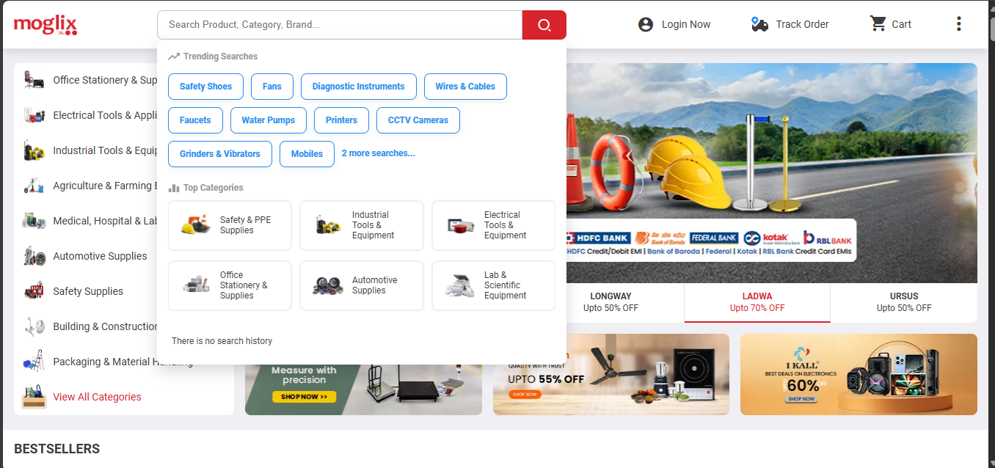
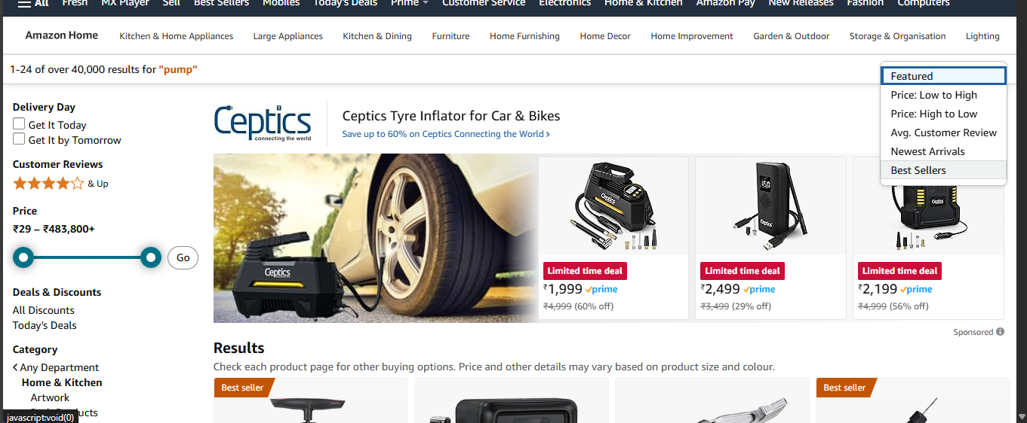
Scenarios | Section | reference | Observation |  | Convenience for user
Dropdown in search | categories or product type | Amazon | in search we can use a dropdown option where user can search within specifc category/ sub category or product type given in dropdown |  | easy to reach on the desired product , scope of search will be bounded to that specfic range of category / product type

Top Categories and trending searches | categories or product type | Moglix | can be included in our search panel |  | Search history can be used as an identifier for the existing user | Top categories can provide suggestive actions for the user

sort By option on search |  | Amazon/Flipkart | sort options can be included - Price sort ( Low to high, high to low) review ratings | we can also use tag specific sort options - new arrivals, Made in india , COD | Narrow down search results

enhancing search result | EX : motor pump ( if user desires under 5000) | Amazon
 | - should have price range filter in search
 | - Stock availability selection field

on search brand name - brand page should list on top search suggested result | brand page

Compatibilty search : users search for the name of a brand or product they own along with an accessory or spare part they’re looking for. | In our product , accesories / spare parts coming first in search result then the product
 | EX : wood working machine

relevant categories/Brands on search |  | Moglix / Amazon | Search result can be segregated higher rating / brand wise

Non-product searches, when users search for things like COD delivery ,shipping / delivered in 2 days,

